COPY OF
 |  |  |  | Total Transportation Cost -> |  |  | $31,508.00
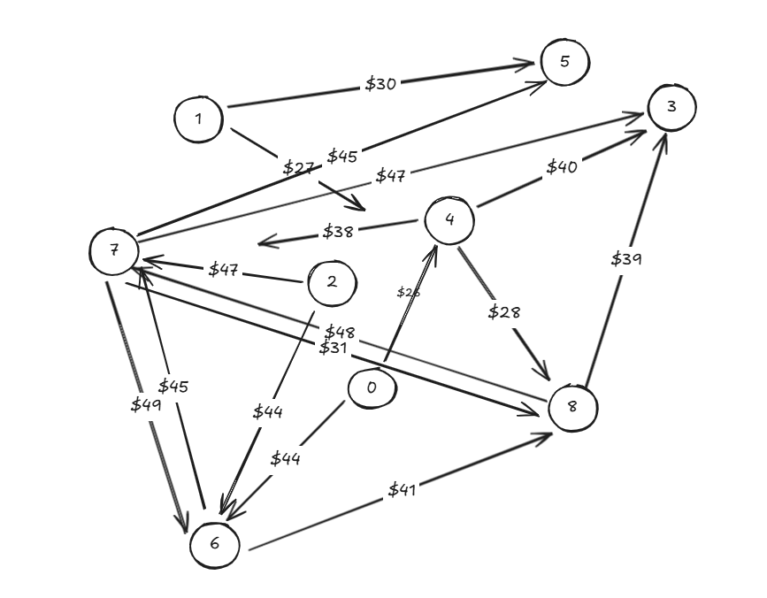
Ship | From |  | To |  | Unit Cost | Nodes |  | Inflow | Outflow | Net Flow | Supply/Demand
465 | 0 | Buttercream Beach | 4 |  | $26.00 | 0 | Buttercream Beach | 0 | 465 | -465 | -465 | ADD 115
0 | 0 | Buttercream Beach | 6 |  | $48.00 | 1 | Cherry Jubilee Junction | 0 | 285 | -285 | -300
65 | 1 | Cherry Jubilee Junction | 4 |  | $27.00 | 2 | Ginger Snap Garden | 0 | 250 | -250 | -250
220 | 1 | Cherry Jubilee Junction | 5 |  | $30.00 | 3 | Honeycomb Highlands | 152 | 0 | 152 | 152
203 | 2 | Ginger Snap Garden | 6 |  | $44.00 | 4 | Jolly Rancher Range | 530 | 429 | 101 | 101
47 | 2 | Ginger Snap Garden | 7 |  | $47.00 | 5 | Lemon Drop Lagoon | 220 | 0 | 220 | 220
0 | 4 | Jolly Rancher Range | 3 |  | $40.00 | 6 | Licorice Lanes | 203 | 0 | 203 | 203
0 | 4 | Jolly Rancher Range | 7 |  | $38.00 | 7 | Smores Summit | 152 | 0 | 152 | 152
429 | 4 | Jolly Rancher Range | 8 |  | $28.00 | 8 | Strawberry Swirl Stream | 429 | 257 | 172 | 172
0 | 6 | Licorice Lanes | 7 |  | $45.00
0 | 6 | Licorice Lanes | 8 |  | $41.00
0 | 7 | Smores Summit | 3 |  | $47.00
0 | 7 | Smores Summit | 5 |  | $45.00
0 | 7 | Smores Summit | 6 |  | $49.00
0 | 7 | Smores Summit | 8 |  | $31.00
152 | 8 | Strawberry Swirl Stream | 3 |  | $39.00
105 | 8 | Strawberry Swirl Stream | 7 |  | $48.00

